Daily Power Station Chart_15-01
Plant_19/03/2025Chart

Plant:odco1 |  |  | Installed Capacity:111.180kWp
Today Yield(kWh):529.200kWh |  | Today Earning:211680.000TND |  | Today Full Load Hours(h):4.76h

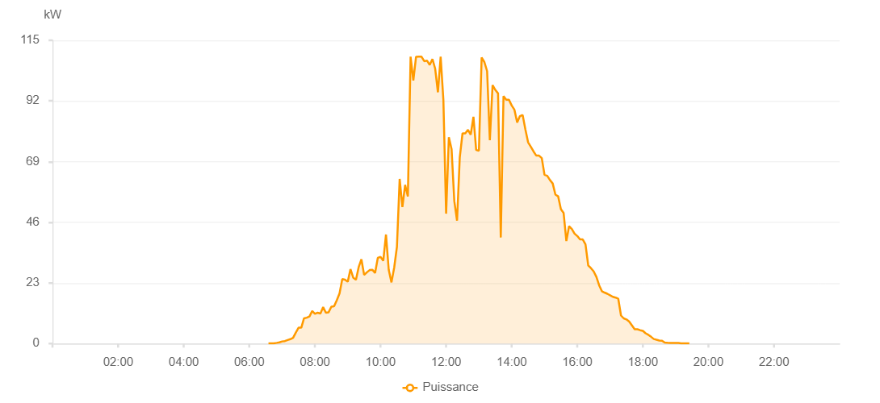

Number | Time | Working State | PV(W) | Instantaneous Radiation(W/㎡)
1 | 06:35:00 | Online | 40.00000 | 0
2 | 06:40:00 | Online | 50.00000 | 0
3 | 06:45:00 | Online | 80.00000 | 0
4 | 06:50:00 | Online | 270.00000 | 1.00000
5 | 06:55:00 | Online | 470.00000 | 1.00000
6 | 07:00:00 | Online | 800.00000 | 7.00000
7 | 07:05:00 | Online | 940.00000 | 8.00000
8 | 07:10:00 | Online | 1350.00000 | 17.00000
9 | 07:15:00 | Online | 1670.00000 | 17.00000
10 | 07:20:00 | Online | 2160.00000 | 15.00000
11 | 07:25:00 | Online | 4170.00000 | 23.00000
12 | 07:30:00 | Online | 6020.00000 | 46.00000
13 | 07:35:00 | Online | 6020.00000 | 61.00000
14 | 07:40:00 | Online | 9560.00000 | 56.00000
15 | 07:45:00 | Online | 9820.00000 | 79.00000
16 | 07:50:00 | Online | 10270.00000 | 99.00000
17 | 07:55:00 | Online | 12360.00000 | 95.00000
18 | 08:00:00 | Online | 11270.00000 | 90.00000
19 | 08:05:00 | Online | 11700.00000 | 96.00000
20 | 08:10:00 | Online | 11370.00000 | 96.00000
21 | 08:15:00 | Online | 13800.00000 | 114.00000
22 | 08:20:00 | Online | 11690.00000 | 91.00000
23 | 08:25:00 | Online | 11870.00000 | 89.00000
24 | 08:30:00 | Online | 13980.00000 | 105.00000
25 | 08:35:00 | Online | 14110.00000 | 134.00000
26 | 08:40:00 | Online | 16440.00000 | 134.00000
27 | 08:45:00 | Online | 19050.00000 | 132.00000
28 | 08:50:00 | Online | 24470.00000 | 207.00000
29 | 08:55:00 | Online | 24250.00000 | 307.00000
30 | 09:00:00 | Online | 23420.00000 | 235.00000
31 | 09:05:00 | Online | 28230.00000 | 187.00000
32 | 09:10:00 | Online | 25010.00000 | 245.00000
33 | 09:15:00 | Online | 24180.00000 | 218.00000
34 | 09:20:00 | Online | 28980.00000 | 195.00000
35 | 09:25:00 | Online | 31960.00000 | 245.00000
36 | 09:30:00 | Online | 26020.00000 | 249.00000
37 | 09:35:00 | Online | 27010.00000 | 218.00000
38 | 09:40:00 | Online | 27860.00000 | 218.00000
39 | 09:45:00 | Online | 27990.00000 | 278.00000
40 | 09:50:00 | Online | 26770.00000 | 201.00000
41 | 09:55:00 | Online | 32480.00000 | 292.00000
42 | 10:00:00 | Online | 32910.00000 | 268.00000
43 | 10:05:00 | Online | 31360.00000 | 268.00000
44 | 10:10:00 | Online | 41340.00000 | 252.00000
45 | 10:15:00 | Online | 27970.00000 | 257.00000
46 | 10:20:00 | Online | 23190.00000 | 223.00000
47 | 10:25:00 | Online | 28800.00000 | 196.00000
48 | 10:30:00 | Online | 36670.00000 | 284.00000
49 | 10:35:00 | Online | 62440.00000 | 700.00000
50 | 10:40:00 | Online | 51780.00000 | 571.00000
51 | 10:45:00 | Online | 60190.00000 | 571.00000
52 | 10:50:00 | Online | 55760.00000 | 456.00000
53 | 10:55:00 | Online | 108780.00000 | 1162.00000
54 | 11:00:00 | Online | 99740.00000 | 360.00000
55 | 11:05:00 | Online | 108770.00000 | 433.00000
56 | 11:10:00 | Online | 108780.00000 | 534.00000
57 | 11:15:00 | Online | 108780.00000 | 1037.00000
58 | 11:20:00 | Online | 107070.00000 | 1037.00000
59 | 11:25:00 | Online | 107300.00000 | 1004.00000
60 | 11:30:00 | Online | 105650.00000 | 1007.00000
61 | 11:35:00 | Online | 107890.00000 | 982.00000
62 | 11:40:00 | Online | 104220.00000 | 1071.00000
63 | 11:45:00 | Online | 95290.00000 | 1116.00000
64 | 11:50:00 | Online | 108780.00000 | 1035.00000
65 | 11:55:00 | Online | 92380.00000 | 529.00000
66 | 12:00:00 | Online | 49260.00000 | 440.00000
67 | 12:05:00 | Online | 78230.00000 | 599.00000
68 | 12:10:00 | Online | 73720.00000 | 1082.00000
69 | 12:15:00 | Fault | 53970.00000 | 558.00000
70 | 12:20:00 | Online | 46620.00000 | 1006.00000
71 | 12:25:00 | Online | 70660.00000 | 415.00000
72 | 12:30:00 | Online | 79700.00000 | 1026.00000
73 | 12:35:00 | Online | 79700.00000 | 566.00000
74 | 12:40:00 | Online | 81040.00000 | 1024.00000
75 | 12:45:00 | Online | 79220.00000 | 988.00000
76 | 12:50:00 | Online | 85980.00000 | 1036.00000
77 | 12:55:00 | Online | 73400.00000 | 642.00000
78 | 13:00:00 | Online | 73140.00000 | 642.00000
79 | 13:05:00 | Online | 108500.00000 | 304.00000
80 | 13:10:00 | Online | 106750.00000 | 1009.00000
81 | 13:15:00 | Online | 103310.00000 | 954.00000
82 | 13:20:00 | Online | 77140.00000 | 363.00000
83 | 13:25:00 | Online | 97980.00000 | 909.00000
84 | 13:30:00 | Online | 96180.00000 | 870.00000
85 | 13:35:00 | Online | 94870.00000 | 862.00000
86 | 13:40:00 | Online | 40230.00000 | 892.00000
87 | 13:45:00 | Online | 93830.00000 | 191.00000
88 | 13:50:00 | Online | 92430.00000 | 847.00000
89 | 13:55:00 | Online | 92430.00000 | 847.00000
90 | 14:00:00 | Online | 90280.00000 | 812.00000
91 | 14:05:00 | Online | 88670.00000 | 828.00000
92 | 14:10:00 | Online | 83860.00000 | 794.00000
93 | 14:15:00 | Online | 86240.00000 | 770.00000
94 | 14:20:00 | Online | 86690.00000 | 799.00000
95 | 14:25:00 | Online | 81240.00000 | 728.00000
96 | 14:30:00 | Online | 76320.00000 | 728.00000
97 | 14:35:00 | Online | 74620.00000 | 691.00000
98 | 14:40:00 | Online | 72830.00000 | 680.00000
99 | 14:45:00 | Online | 71260.00000 | 665.00000
100 | 14:50:00 | Online | 71260.00000 | 646.00000
101 | 14:55:00 | Online | 70330.00000 | 622.00000
102 | 15:00:00 | Online | 64020.00000 | 614.00000
103 | 15:05:00 | Online | 63610.00000 | 591.00000
104 | 15:10:00 | Online | 62000.00000 | 573.00000
105 | 15:15:00 | Online | 60710.00000 | 557.00000
106 | 15:20:00 | Online | 56460.00000 | 540.00000
107 | 15:25:00 | Online | 55820.00000 | 540.00000
108 | 15:30:00 | Online | 50940.00000 | 497.00000
109 | 15:35:00 | Online | 49510.00000 | 476.00000
110 | 15:40:00 | Online | 38860.00000 | 476.00000
111 | 15:45:00 | Online | 44540.00000 | 419.00000
112 | 15:50:00 | Online | 43460.00000 | 419.00000
113 | 15:55:00 | Online | 41690.00000 | 381.00000
114 | 16:00:00 | Online | 40780.00000 | 381.00000
115 | 16:05:00 | Online | 39500.00000 | 359.00000
116 | 16:10:00 | Online | 39500.00000 | 338.00000
117 | 16:15:00 | Online | 37660.00000 | 338.00000
118 | 16:20:00 | Online | 29640.00000 | 296.00000
119 | 16:25:00 | Online | 28580.00000 | 279.00000
120 | 16:30:00 | Online | 27350.00000 | 260.00000
121 | 16:35:00 | Online | 25250.00000 | 239.00000
122 | 16:40:00 | Online | 22100.00000 | 128.00000
123 | 16:45:00 | Online | 19840.00000 | 72.00000
124 | 16:50:00 | Online | 19330.00000 | 72.00000
125 | 16:55:00 | Online | 18870.00000 | 68.00000
126 | 17:00:00 | Online | 18310.00000 | 66.00000
127 | 17:05:00 | Online | 17720.00000 | 66.00000
128 | 17:10:00 | Online | 17440.00000 | 79.00000
129 | 17:15:00 | Online | 16980.00000 | 71.00000
130 | 17:20:00 | Online | 10620.00000 | 71.00000
131 | 17:25:00 | Online | 9550.00000 | 54.00000
132 | 17:30:00 | Online | 9150.00000 | 48.00000
133 | 17:35:00 | Online | 8310.00000 | 44.00000
134 | 17:45:00 | Online | 5430.00000 | 38.00000
135 | 17:50:00 | Online | 5430.00000 | 38.00000
136 | 17:55:00 | Online | 5070.00000 | 4.00000
137 | 18:00:00 | Online | 4820.00000 | 30.00000
138 | 18:05:00 | Online | 3890.00000 | 28.00000
139 | 18:10:00 | Online | 3320.00000 | 23.00000
140 | 18:15:00 | Online | 2570.00000 | 20.00000
141 | 18:20:00 | Online | 1720.00000 | 20.00000
142 | 18:25:00 | Online | 1430.00000 | 0
143 | 18:30:00 | Online | 1160.00000 | 8.00000
144 | 18:35:00 | Online | 1090.00000 | 4.00000
145 | 18:40:00 | Online | 360.00000 | 0
146 | 18:45:00 | Online | 280.00000 | 0
147 | 18:50:00 | Online | 210.00000 | 0
148 | 18:55:00 | Online | 210.00000 | 0
149 | 19:00:00 | Online | 210.00000 | 0
150 | 19:05:00 | Online | 210.00000 | 0
151 | 19:10:00 | Online | 70.00000 | 0
152 | 19:15:00 | Online | 40.00000 | 0
153 | 19:20:00 | Online | 40.00000 | 0
154 | 19:25:00 | Online | 40.00000 | 0
155 | 19:50:00 | Online | 0.00001 | 0.00001
156 | 20:00:00 | Online | 0.00001 | 0.00001

